Home Screen
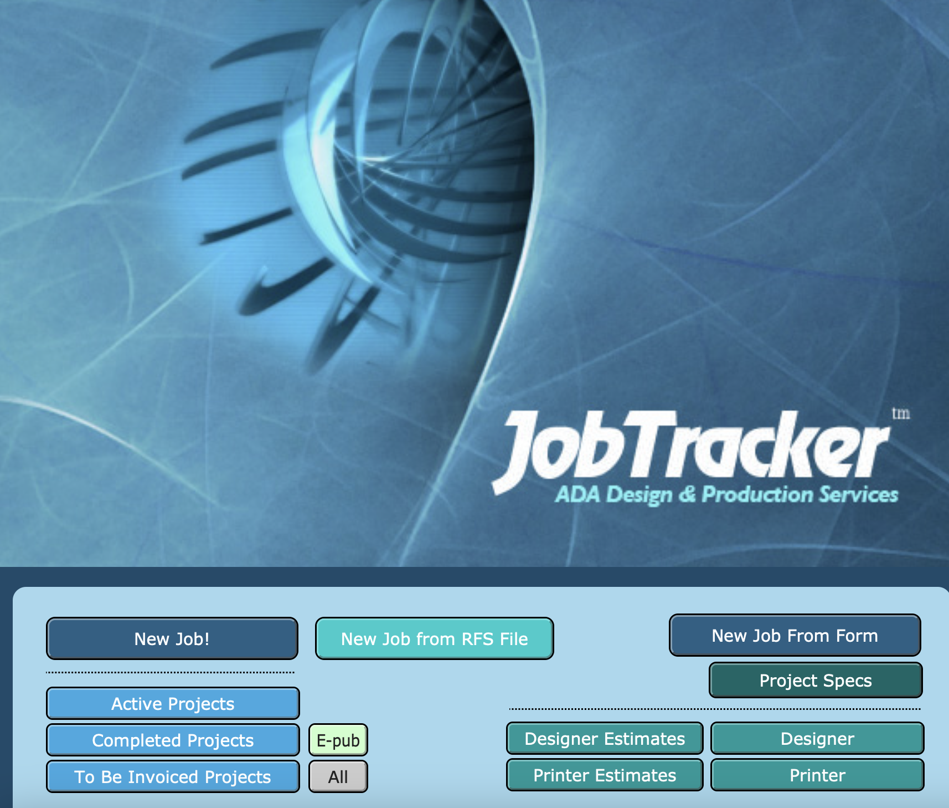
Home Screen Options
input new record/project
input new record/project from form
view by status | select multiple statuses?
view indivudal record/project | search by job #, description?

create custom views??
view by PO
view by contract number
view by vendor
view completed projects

Individual records
Individual Record view - input screen
Includes all data fields by record
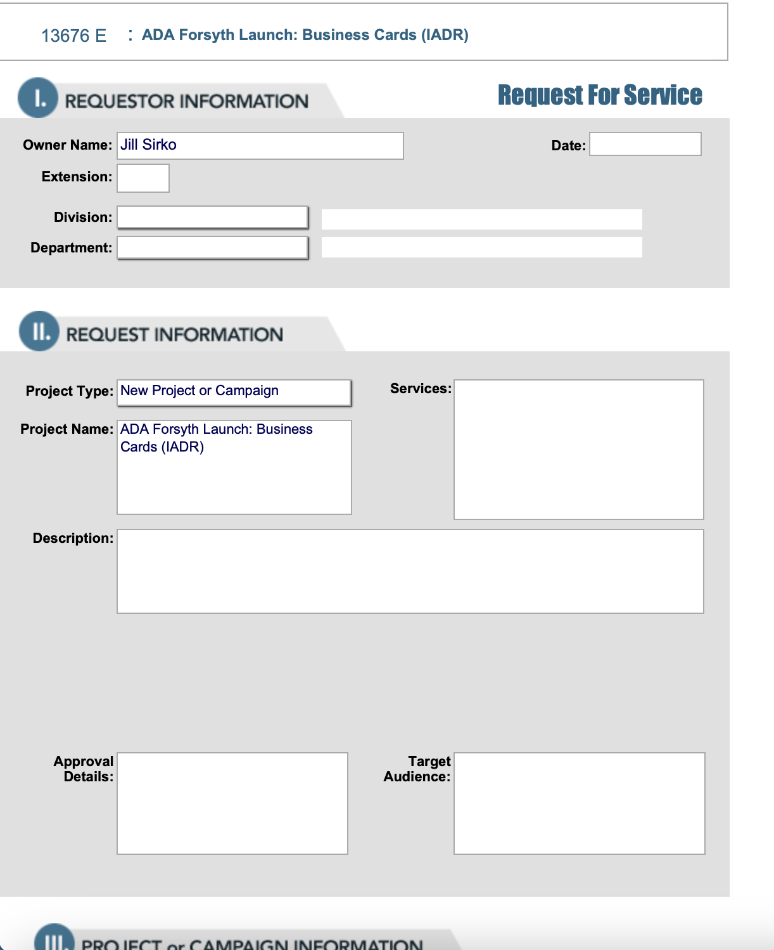
Field Name | (Old Field) | Notes
Job Number | ID | automatically assigned on intake
Job Number Letter | ? | Agency will add as needed
Requestor | Client | pull from intake form
Project Name | Project Name | pull from intake form
Portfolio/CoE | Code | Agency will enter
Date Received | In/Date | automatically assigned on intake
Project Description | Description | pull from intake form
Target audience | Target audience | pull from intake form
Due Date | Due Date | pull from intake form
Number of Deliverables | NEW | Agency will enter
Quantity (if printing) | Quantity | pull from intake form
Design/Print Program ID | Cost Center # | pull from intake form
Design/Print Line Item Number | Line Item # | pull from intake form
Postage Program ID | Cost Center # | pull from intake form
Postage Line Item Number | Line Item # | pull from intake form
Additional Info | Other Info: | pull from intake form
Is this project print/digital/both | Is this project print/digital/both | pull from intake form
Mailing? y/n | Mailing? y/n | pull from intake form
Status | Status | drop down menu: Design, Design - Ongoing, Video, QR Code, Image Request, Hold, Print Production, Mailing, Complete, Cancelled, Moving to Server, Need invoice-- Agency assigns; may need edits to list
Status Notes | NEW | Agency will enter
Designer #1 | Designer | Agency will enter
Designer #2 | NEW | Agency will enter
Print Specs | NEW | Agency will enter
Contract Number | NEW | Agency will enter
Contract Amount | NEW | Agency will enter
Vendor #1 | Printer | Agency will enter
PO Number #1 | P.O. | Agency will enter
Invoice Date #1 | NEW | Agency will enter
Invoice Number #1 | NEW | Agency will enter
Invoice Amount #1 | NEW | Agency will enter
Invoice Status #1 | NEW | Agency will enter
Vendor #2 | NEW | Agency will enter
PO Number #2 | NEW | Agency will enter
Invoice Date #2 | NEW | Agency will enter
Invoice Number #2 | NEW | Agency will enter
Invoice Amount #2 | NEW | Agency will enter
Invoice Status #2 | NEW | Agency will enter
Vendor #3 | NEW | Agency will enter
PO Number #3 | NEW | Agency will enter
Invoice Date #3 | NEW | Agency will enter
Invoice Number #3 | NEW | Agency will enter
Invoice Amount #3 | NEW | Agency will enter
Invoice Status #3 | NEW | Agency will enter
Postage Amount | Postage | Agency will enter
Completed Date | Wrap Date | can this auto populate when status is marked complete?

